Islands of the Caribean
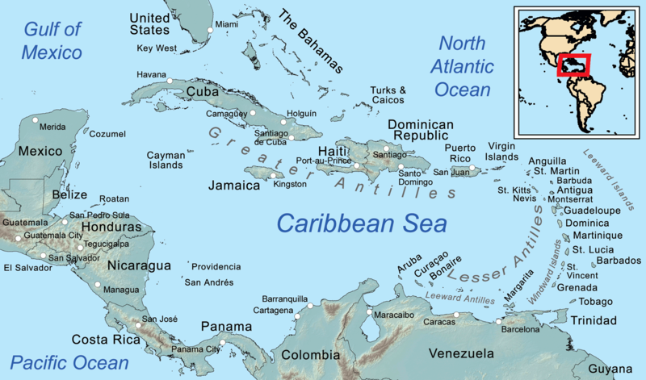
 |  |  |  |  | Score | Max | The teacher will enter your marks
 | Use the table below. Calculate values using spreadsheet formulas. |  |  |  | 0 | 17 | Totals
 | Source: United Nations, Wikipedia

 | Island / nation | Population | Area (sq km) | Density
 | Cuba | 11,338,000 | 109,886
 | Haiti | 11,123,000 | 27,750
 | Dominican Republic | 10,627,000 | 48,671
 | Puerto Rico | 3,040,000 | 8,870
 | Jamaica | 2,935,000 | 10,991
 | Trinidad & Tabago | 1,390,000 | 5,130
 | The Bahamas | 386,000 | 13,943

1) | Add a row of totals to the table |  |  |  |  | 2
 |  |  |  |  |  |  | Credit: Wikipedia, Kmusser
2) | Calculate the density of each island and the overall average |  |  |  |  | 2

3) | Which is the most densely populated island? |  |  |  |  | 1
 | Least densely populated? |  |  |  |  | 1

4) | Look at the map. These islands are in the same part of the Caribbean,
 | except for one. Which island or nation in the list is closer to
 | South America than the others? |  |  |  |  | 1

 | Challenge: make a pie chart of the population, use the |  |  |  |  | 10
 | total population of the Caribean to calculate the population
 | on other islands not listed.

